Sheet1
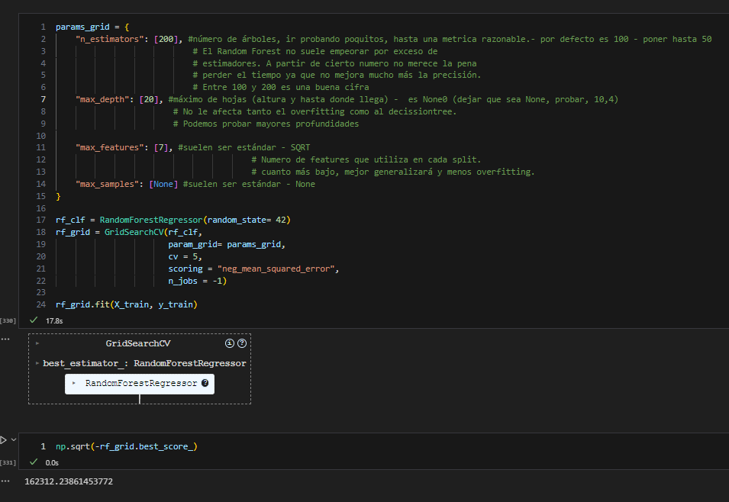
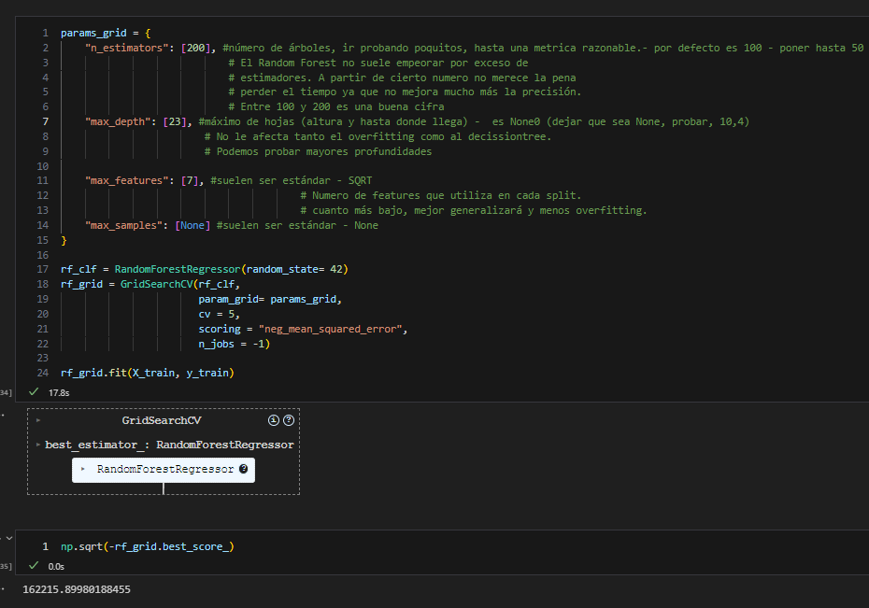
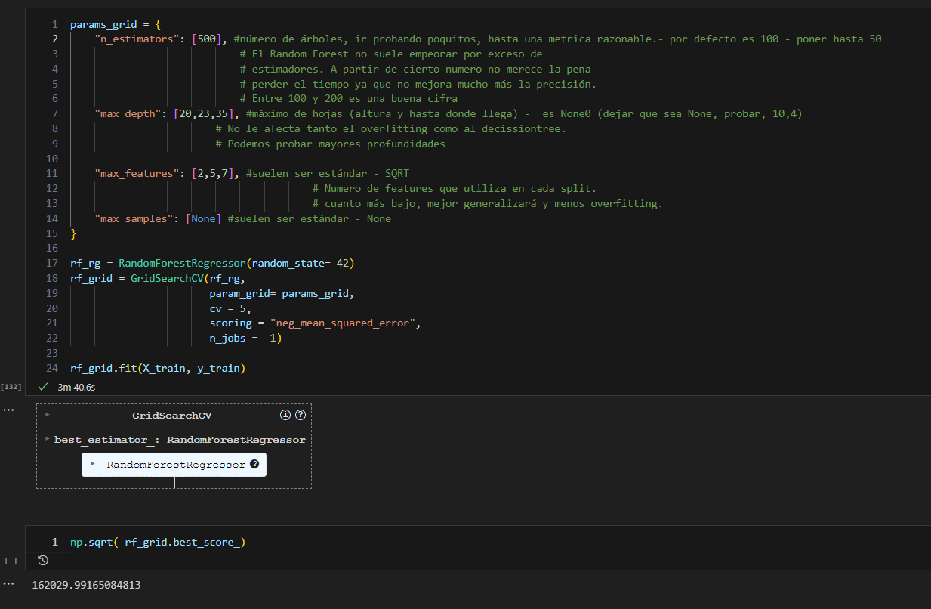
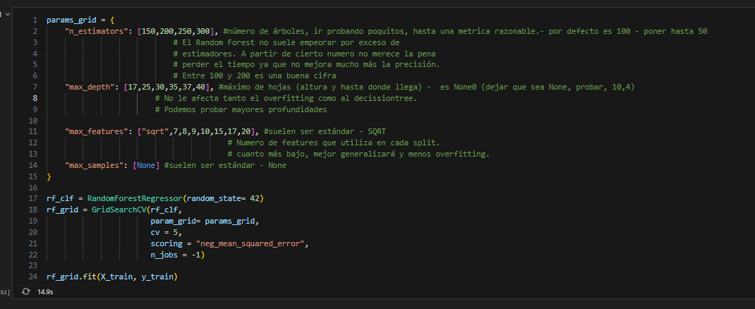
 |  | 537,768.00 | 1.000
537,768.00 | 1.00 | 188,256.00 | 0.350
238,678.00 | 0.44 |  | 0.650
229,557.00 | 0.43
184,000.00 | 0.34 | 163,268.06 | 0.304 | RF
163,268.00 | 0.30 |  | 0.696
166,840.00 | 0.31
166,820.00 | 0.31
160,012.00 | 0.30 | 160,012.00 | 0.298 | Cat
 |  |  | 0.702

 |  | 162,215.00 | 0.302 | RF
 |  |  | 0.698

 |  | 184,254.00 | 0.3426 | RF
 |  |  | 0.6574

 |  | -20,985.94

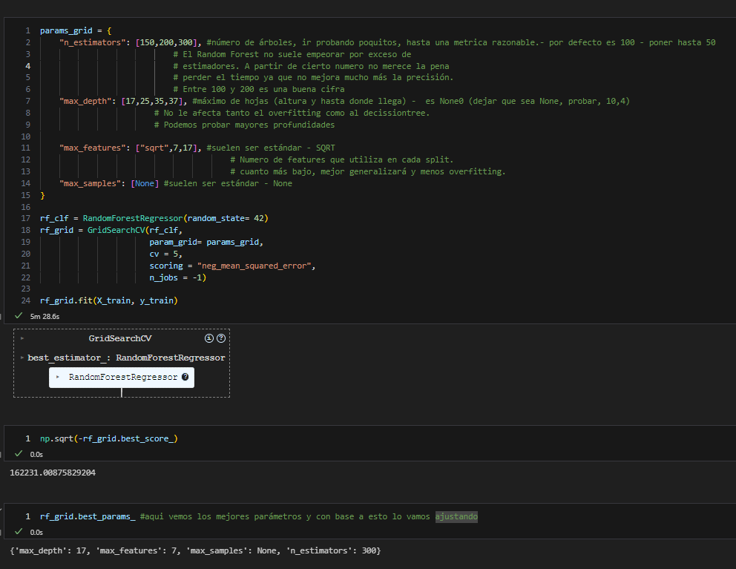
 |  | 162,520.00 | 0.302 | RF | 200/30/7
 |  |  | 0.698

